2. Fórmula de Ajuste
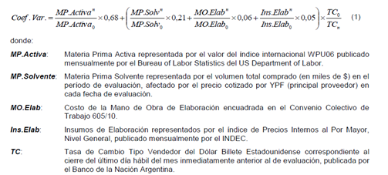
 | Contrato SAP 4600009396 (Vigencia: 01/07/2017 - 30/06/2020; Con opción de prórroga por 2 años adicionales)

 | Comparame estos dos períodos: |  |  | POR CONTRATO: Cada 6 meses se realizará la revisión de precios, si la variación resultante es mayor al 2% se modifican los precios, de lo contrario se mantienen.

 | Base inicial | Periodo n
 | 2017-07-01 | 2020-03-01 | <--- ingrese períodos aquí

 | Factores de Ponderación |  | Fuente | Indicador base | Indicador de Periodo n | Ratio | Ratio Ponderado
 |  |  |  |  |  |  | en USD
1 | MP Activa | 68% | WPU06 | 278.4 | 284.6 | 1.0223 | 0.6951
2 | MP Solvente | 21% | preg MD/PC |  |  | #DIV/0! | 0.2100
3 | MO Elab | 6% | CCT 605/10 | 110.0 | 256.5 | 2.3315 | 0.0367
4 | Ins Elab | 5% | IPIM - Indec | 121.8 | 379.7 | 3.1182 | 0.0491
5 | TC | Afecta 2, 3 y 4 | BNA Billete Vendedor | 16.8 | 64.0 | 3.8095 | Total | 99.10% | Interpretación: los precios del Período n deberían ser 0,991 veces los del Período Base ingresado.

